MLF 3Y Port
MLF Portfolio

Total Size |  | 500.0
Data Date: |  | 31-Aug-20
 |  |  |  |  |  |  |  |  |  |  |  |  |  | Municipal Liquidity Facility - Appendix B (08/11/2020)
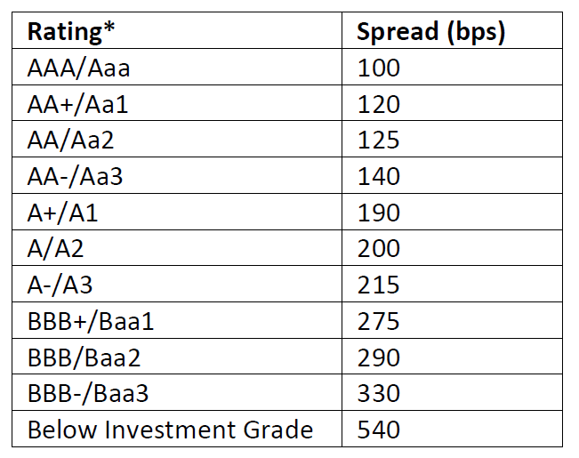
Potrfolio Assumptions |  |  |  |  |  | MLF Portfolio FCRA Estimates
Input cells red
 |  | High | Med | Low |  |  |  |  | High | Med | Low | Totals
Upper |  | Aaa/AAA | A1/A+ | Baa1/BBB+
Lower |  | Aa3/AA- | A3/A- | Baa3/BBB- |  | PV Debt Service @UST |  |  | 25.00 | 250.00 | 225.00 | 500.0
 |  |  |  |  |  | Less: PV Treasury Funding |  |  | 25.00 | 250.00 | 225.00 | 500.0
Proportion |  | 5% | 50% | 45% |  | Less: PV Credit Loss @UST |  |  | 0.02 | 0.30 | 0.36 | 0.7
Amount |  | 25.0 | 250.0 | 225.0
Term |  | 3 | 3 | 3 |  | Federal Gain/(Loss) |  |  | (0.02) | (0.30) | (0.36) | (0.679)
WAL (Level DS) |  | 2 | 2 | 2
UST Base at WAL |  | 0.12% | 0.12% | 0.12%
Penalty | 0 | 1.25% | 2.00% | 2.90% | WA Spread: | 2.37%
Muni | 0 | 0.00% | 0.35% | 0.65%
MLF Spread |  | 0.00% | 0.00% | 0.00%
Loan Rate | 1 | 0.12% | 0.12% | 0.12%
FCRA Annual Credit |  | 0.040% | 0.060% | 0.080%

Year |  |  |  |  |  | 1 | 2 | 3 | 4 | 5 | 6 | 7 | 8 | 9 | 10 | 11 | 12 | 13 | 14 | 15 | 16 | 17 | 18 | 19 | 20 | 21 | 22 | 23 | 24 | 25 | 26 | 27 | 28 | 29 | 30

UST Curve (SLGS at 08/31/2020) |  |  |  |  |  | 0.11% | 0.12% | 0.15% | 0.20% | 0.27% | 0.38% | 0.50% | 0.58% | 0.66% | 0.73% | 0.79% | 0.85% | 0.91% | 0.97% | 1.03% | 1.08% | 1.14% | 1.19% | 1.23% | 1.27% | 1.31% | 1.34% | 1.37% | 1.40% | 1.43% | 1.45% | 1.46% | 1.48% | 1.49% | 1.50%
Portfolio IRR |  |  |  | 0.12% | (500.0) | 167.3 | 167.1 | 166.9 | 0.0 | 0.0 | 0.0 | 0.0 | 0.0 | 0.0 | 0.0 | 0.0 | 0.0 | 0.0 | 0.0 | 0.0 | 0.0 | 0.0 | 0.0 | 0.0 | 0.0 | 0.0 | 0.0 | 0.0 | 0.0 | 0.0 | 0.0 | 0.0 | 0.0 | 0.0 | 0.0

High Category

Balance - Start of Period |  |  |  |  |  | 25.0 | 16.7 | 8.3 | 0.0 | 0.0 | 0.0 | 0.0 | 0.0 | 0.0 | 0.0 | 0.0 | 0.0 | 0.0 | 0.0 | 0.0 | 0.0 | 0.0 | 0.0 | 0.0 | 0.0 | 0.0 | 0.0 | 0.0 | 0.0 | 0.0 | 0.0 | 0.0 | 0.0 | 0.0 | 0.0
Interest |  |  | 0.12% |  |  | 0.030 | 0.020 | 0.010 | 0.0 | 0.0 | 0.0 | 0.0 | 0.0 | 0.0 | 0.0 | 0.0 | 0.0 | 0.0 | 0.0 | 0.0 | 0.0 | 0.0 | 0.0 | 0.0 | 0.0 | 0.0 | 0.0 | 0.0 | 0.0 | 0.0 | 0.0 | 0.0 | 0.0 | 0.0 | 0.0
Principal - Level Pmt |  |  | 8.3 |  |  | 8.3 | 8.3 | 8.3 | 0.0 | 0.0 | 0.0 | 0.0 | 0.0 | 0.0 | 0.0 | 0.0 | 0.0 | 0.0 | 0.0 | 0.0 | 0.0 | 0.0 | 0.0 | 0.0 | 0.0 | 0.0 | 0.0 | 0.0 | 0.0 | 0.0 | 0.0 | 0.0 | 0.0 | 0.0 | 0.0
Balance - End of Period |  |  |  |  |  | 16.7 | 8.3 | 0.0 | 0.0 | 0.0 | 0.0 | 0.0 | 0.0 | 0.0 | 0.0 | 0.0 | 0.0 | 0.0 | 0.0 | 0.0 | 0.0 | 0.0 | 0.0 | 0.0 | 0.0 | 0.0 | 0.0 | 0.0 | 0.0 | 0.0 | 0.0 | 0.0 | 0.0 | 0.0 | 0.0
Weighted Average Life |  |  | 2 |  |  | 0.33 | 0.67 | 1.00 | 0.00 | 0.00 | 0.00 | 0.00 | 0.00 | 0.00 | 0.00 | 0.00 | 0.00 | 0.00 | 0.00 | 0.00 | 0.00 | 0.00 | 0.00 | 0.00 | 0.00 | 0.00 | 0.00 | 0.00 | 0.00 | 0.00 | 0.00 | 0.00 | 0.00 | 0.00 | 0.00
UST Base at WAL |  |  | 0.12% |  |  |  | 0.12%
FCRA - PV Debt Service @UST |  |  | 25.00 |  |  | 8.36 | 8.35 | 8.34 | 0.00 | 0.00 | 0.00 | 0.00 | 0.00 | 0.00 | 0.00 | 0.00 | 0.00 | 0.00 | 0.00 | 0.00 | 0.00 | 0.00 | 0.00 | 0.00 | 0.00 | 0.00 | 0.00 | 0.00 | 0.00 | 0.00 | 0.00 | 0.00 | 0.00 | 0.00 | 0.00
FCRA - PV Credit Loss @UST |  |  | 0.020 |  |  | 0.01 | 0.01 | 0.00 | 0.00 | 0.00 | 0.00 | 0.00 | 0.00 | 0.00 | 0.00 | 0.00 | 0.00 | 0.00 | 0.00 | 0.00 | 0.00 | 0.00 | 0.00 | 0.00 | 0.00 | 0.00 | 0.00 | 0.00 | 0.00 | 0.00 | 0.00 | 0.00 | 0.00 | 0.00 | 0.00

Med Category

Balance - Start of Period |  |  |  |  |  | 250.0 | 166.7 | 83.3 | 0.0 | 0.0 | 0.0 | 0.0 | 0.0 | 0.0 | 0.0 | 0.0 | 0.0 | 0.0 | 0.0 | 0.0 | 0.0 | 0.0 | 0.0 | 0.0 | 0.0 | 0.0 | 0.0 | 0.0 | 0.0 | 0.0 | 0.0 | 0.0 | 0.0 | 0.0 | 0.0
Interest |  |  | 0.12% |  |  | 0.3 | 0.2 | 0.1 | 0.0 | 0.0 | 0.0 | 0.0 | 0.0 | 0.0 | 0.0 | 0.0 | 0.0 | 0.0 | 0.0 | 0.0 | 0.0 | 0.0 | 0.0 | 0.0 | 0.0 | 0.0 | 0.0 | 0.0 | 0.0 | 0.0 | 0.0 | 0.0 | 0.0 | 0.0 | 0.0
Principal - Level Pmt |  |  | 83.3 |  |  | 83.3 | 83.3 | 83.3 | 0.0 | 0.0 | 0.0 | 0.0 | 0.0 | 0.0 | 0.0 | 0.0 | 0.0 | 0.0 | 0.0 | 0.0 | 0.0 | 0.0 | 0.0 | 0.0 | 0.0 | 0.0 | 0.0 | 0.0 | 0.0 | 0.0 | 0.0 | 0.0 | 0.0 | 0.0 | 0.0
Balance - End of Period |  |  |  |  |  | 166.7 | 83.3 | 0.0 | 0.0 | 0.0 | 0.0 | 0.0 | 0.0 | 0.0 | 0.0 | 0.0 | 0.0 | 0.0 | 0.0 | 0.0 | 0.0 | 0.0 | 0.0 | 0.0 | 0.0 | 0.0 | 0.0 | 0.0 | 0.0 | 0.0 | 0.0 | 0.0 | 0.0 | 0.0 | 0.0
Weighted Average Life |  |  | 2 |  |  | 0.33 | 0.67 | 1.00 | 0.00 | 0.00 | 0.00 | 0.00 | 0.00 | 0.00 | 0.00 | 0.00 | 0.00 | 0.00 | 0.00 | 0.00 | 0.00 | 0.00 | 0.00 | 0.00 | 0.00 | 0.00 | 0.00 | 0.00 | 0.00 | 0.00 | 0.00 | 0.00 | 0.00 | 0.00 | 0.00
UST Base at WAL |  |  | 0.12% |  |  |  | 0.12%
FCRA - PV Debt Service @UST |  |  | 250.00 |  |  | 83.63 | 83.53 | 83.43 | 0.00 | 0.00 | 0.00 | 0.00 | 0.00 | 0.00 | 0.00 | 0.00 | 0.00 | 0.00 | 0.00 | 0.00 | 0.00 | 0.00 | 0.00 | 0.00 | 0.00 | 0.00 | 0.00 | 0.00 | 0.00 | 0.00 | 0.00 | 0.00 | 0.00 | 0.00 | 0.00
FCRA - PV Credit Loss @UST |  |  | 0.299 |  |  | 0.15 | 0.10 | 0.05 | 0.00 | 0.00 | 0.00 | 0.00 | 0.00 | 0.00 | 0.00 | 0.00 | 0.00 | 0.00 | 0.00 | 0.00 | 0.00 | 0.00 | 0.00 | 0.00 | 0.00 | 0.00 | 0.00 | 0.00 | 0.00 | 0.00 | 0.00 | 0.00 | 0.00 | 0.00 | 0.00

Low Category

Balance - Start of Period |  |  |  |  |  | 225.0 | 150.0 | 75.0 | 0.0 | 0.0 | 0.0 | 0.0 | 0.0 | 0.0 | 0.0 | 0.0 | 0.0 | 0.0 | 0.0 | 0.0 | 0.0 | 0.0 | 0.0 | 0.0 | 0.0 | 0.0 | 0.0 | 0.0 | 0.0 | 0.0 | 0.0 | 0.0 | 0.0 | 0.0 | 0.0
Interest |  |  | 0.12% |  |  | 0.3 | 0.2 | 0.1 | 0.0 | 0.0 | 0.0 | 0.0 | 0.0 | 0.0 | 0.0 | 0.0 | 0.0 | 0.0 | 0.0 | 0.0 | 0.0 | 0.0 | 0.0 | 0.0 | 0.0 | 0.0 | 0.0 | 0.0 | 0.0 | 0.0 | 0.0 | 0.0 | 0.0 | 0.0 | 0.0
Principal - Level Pmt |  |  | 75.0 |  |  | 75.0 | 75.0 | 75.0 | 0.0 | 0.0 | 0.0 | 0.0 | 0.0 | 0.0 | 0.0 | 0.0 | 0.0 | 0.0 | 0.0 | 0.0 | 0.0 | 0.0 | 0.0 | 0.0 | 0.0 | 0.0 | 0.0 | 0.0 | 0.0 | 0.0 | 0.0 | 0.0 | 0.0 | 0.0 | 0.0
Balance - End of Period |  |  |  |  |  | 150.0 | 75.0 | 0.0 | 0.0 | 0.0 | 0.0 | 0.0 | 0.0 | 0.0 | 0.0 | 0.0 | 0.0 | 0.0 | 0.0 | 0.0 | 0.0 | 0.0 | 0.0 | 0.0 | 0.0 | 0.0 | 0.0 | 0.0 | 0.0 | 0.0 | 0.0 | 0.0 | 0.0 | 0.0 | 0.0
Weighted Average Life |  |  | 2 |  |  | 0.33 | 0.67 | 1.00 | 0.00 | 0.00 | 0.00 | 0.00 | 0.00 | 0.00 | 0.00 | 0.00 | 0.00 | 0.00 | 0.00 | 0.00 | 0.00 | 0.00 | 0.00 | 0.00 | 0.00 | 0.00 | 0.00 | 0.00 | 0.00 | 0.00 | 0.00 | 0.00 | 0.00 | 0.00 | 0.00
UST Base at WAL |  |  | 0.12% |  |  |  | 0.12%
FCRA - PV Debt Service @UST |  |  | 225.00 |  |  | 75.27 | 75.18 | 75.09 | 0.00 | 0.00 | 0.00 | 0.00 | 0.00 | 0.00 | 0.00 | 0.00 | 0.00 | 0.00 | 0.00 | 0.00 | 0.00 | 0.00 | 0.00 | 0.00 | 0.00 | 0.00 | 0.00 | 0.00 | 0.00 | 0.00 | 0.00 | 0.00 | 0.00 | 0.00 | 0.00
FCRA - PV Credit Loss @UST |  |  | 0.359 |  |  | 0.18 | 0.12 | 0.06 | 0.00 | 0.00 | 0.00 | 0.00 | 0.00 | 0.00 | 0.00 | 0.00 | 0.00 | 0.00 | 0.00 | 0.00 | 0.00 | 0.00 | 0.00 | 0.00 | 0.00 | 0.00 | 0.00 | 0.00 | 0.00 | 0.00 | 0.00 | 0.00 | 0.00 | 0.00 | 0.00

Tax Sub 3Y Port
Taxable Bond Substitution Static Portfolio

Total Size | 500.0
Data Date: | 31-Aug-20
 |  |  |  |  |  |  |  |  |  |  |  |  | Source for Estimated Muni Spreads:
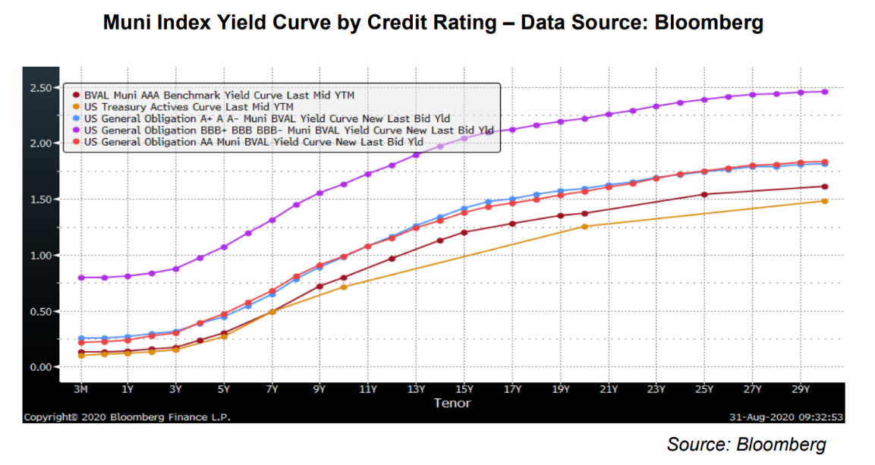
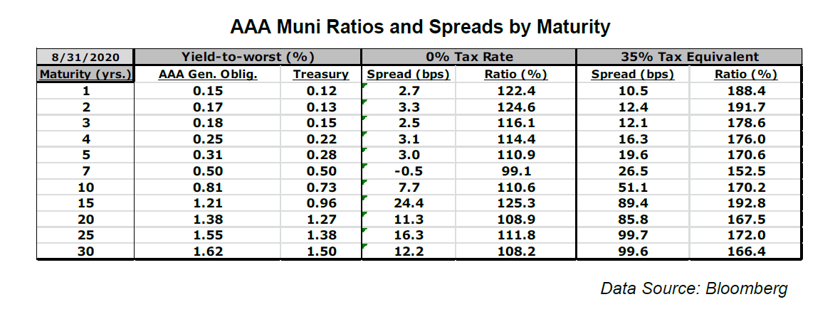
Potrfolio Assumptions |  |  |  |  | Tax on Bond Interest Results Summary
Input cells red
 | High | Med | Low |  |  |  |  | High | Med | Low | Totals
Upper | Aaa/AAA | A1/A+ | Baa1/BBB+
Lower | Aa3/AA- | A3/A- | Baa3/BBB- |  | Sum Years 1-10 (CBO Score) |  |  | 0.0 | 0.8 | 1.2 | 2.0

Proportion | 5% | 50% | 45% |  | PV Full Term @ UST Rate |  |  | 0.0 | 0.8 | 1.2 | 2.0
Amount | 25.0 | 250.0 | 225.0
Term | 3 | 3 | 3 |  | PV Full Term @ Bond Rate |  |  | 0.0 | 0.8 | 1.1 | 1.9
WAL (Level DS) | 2 | 2 | 2
UST Base at WAL | 0.12% | 0.12% | 0.12%
Muni Spread Est. | 0.00% | 0.35% | 0.65% | WA Spread: | 0.47%
Assumed Tax Rate | 25% | 25% | 25% |  | 0.59%
Spread Equivalent | 0.04% | 0.51% | 0.91%
Taxable Bond Rate | 0.16% | 0.63% | 1.03%

Year |  |  |  |  | 1 | 2 | 3 | 4 | 5 | 6 | 7 | 8 | 9 | 10 | 11 | 12 | 13 | 14 | 15 | 16 | 17 | 18 | 19 | 20 | 21 | 22 | 23 | 24 | 25 | 26 | 27 | 28 | 29 | 30

UST Curve (SLGS at 08/31/2020) |  |  |  |  | 0.11% | 0.12% | 0.15% | 0.20% | 0.27% | 0.38% | 0.50% | 0.58% | 0.66% | 0.73% | 0.79% | 0.85% | 0.91% | 0.97% | 1.03% | 1.08% | 1.14% | 1.19% | 1.23% | 1.27% | 1.31% | 1.34% | 1.37% | 1.40% | 1.43% | 1.45% | 1.46% | 1.48% | 1.49% | 1.50%
Muni BVAL AAA Curve (08/31/2020) |  |  |  |  | 0.15% | 0.17% | 0.18% | 0.25% | 0.31% | 0.40% | 0.50% | 0.62% | 0.73% | 0.81% | 0.90% | 0.97% | 1.06% | 1.14% | 1.21% | 1.26% | 1.29% | 1.32% | 1.35% | 1.38% | 1.42% | 1.45% | 1.49% | 1.52% | 1.55% | 1.57% | 1.59% | 1.60% | 1.62% | 1.62%

High Category

Balance - Start of Period |  |  |  |  | 25.0 | 16.7 | 8.3 | 0.0 | 0.0 | 0.0 | 0.0 | 0.0 | 0.0 | 0.0 | 0.0 | 0.0 | 0.0 | 0.0 | 0.0 | 0.0 | 0.0 | 0.0 | 0.0 | 0.0 | 0.0 | 0.0 | 0.0 | 0.0 | 0.0 | 0.0 | 0.0 | 0.0 | 0.0 | 0.0
Interest |  | 0.16% |  |  | 0.040 | 0.027 | 0.013 | 0.0 | 0.0 | 0.0 | 0.0 | 0.0 | 0.0 | 0.0 | 0.0 | 0.0 | 0.0 | 0.0 | 0.0 | 0.0 | 0.0 | 0.0 | 0.0 | 0.0 | 0.0 | 0.0 | 0.0 | 0.0 | 0.0 | 0.0 | 0.0 | 0.0 | 0.0 | 0.0
Principal - Level Pmt |  | 8.3 |  |  | 8.3 | 8.3 | 8.3 | 0.0 | 0.0 | 0.0 | 0.0 | 0.0 | 0.0 | 0.0 | 0.0 | 0.0 | 0.0 | 0.0 | 0.0 | 0.0 | 0.0 | 0.0 | 0.0 | 0.0 | 0.0 | 0.0 | 0.0 | 0.0 | 0.0 | 0.0 | 0.0 | 0.0 | 0.0 | 0.0
Balance - End of Period |  |  |  |  | 16.7 | 8.3 | 0.0 | 0.0 | 0.0 | 0.0 | 0.0 | 0.0 | 0.0 | 0.0 | 0.0 | 0.0 | 0.0 | 0.0 | 0.0 | 0.0 | 0.0 | 0.0 | 0.0 | 0.0 | 0.0 | 0.0 | 0.0 | 0.0 | 0.0 | 0.0 | 0.0 | 0.0 | 0.0 | 0.0
Weighted Average Life |  | 2 |  |  | 0.33 | 0.67 | 1.00 | 0.00 | 0.00 | 0.00 | 0.00 | 0.00 | 0.00 | 0.00 | 0.00 | 0.00 | 0.00 | 0.00 | 0.00 | 0.00 | 0.00 | 0.00 | 0.00 | 0.00 | 0.00 | 0.00 | 0.00 | 0.00 | 0.00 | 0.00 | 0.00 | 0.00 | 0.00 | 0.00
UST Base at WAL |  | 0.12% |  |  |  | 0.12%
Tax: Sum, Yrs 1-10 |  | 0.0 |  |  | 0.0 | 0.0 | 0.0 | 0.0 | 0.0 | 0.0 | 0.0 | 0.0 | 0.0 | 0.0 | 0.0 | 0.0 | 0.0 | 0.0 | 0.0 | 0.0 | 0.0 | 0.0 | 0.0 | 0.0 | 0.0 | 0.0 | 0.0 | 0.0 | 0.0 | 0.0 | 0.0 | 0.0 | 0.0 | 0.0
Tax: PV, 30Yrs @ UST |  | 0.0
Tax: PV, 30Yrs @Bond |  | 0.0

Med Category

Balance - Start of Period |  |  |  |  | 250.0 | 166.7 | 83.3 | 0.0 | 0.0 | 0.0 | 0.0 | 0.0 | 0.0 | 0.0 | 0.0 | 0.0 | 0.0 | 0.0 | 0.0 | 0.0 | 0.0 | 0.0 | 0.0 | 0.0 | 0.0 | 0.0 | 0.0 | 0.0 | 0.0 | 0.0 | 0.0 | 0.0 | 0.0 | 0.0
Interest |  | 0.63% |  |  | 1.6 | 1.0 | 0.5 | 0.0 | 0.0 | 0.0 | 0.0 | 0.0 | 0.0 | 0.0 | 0.0 | 0.0 | 0.0 | 0.0 | 0.0 | 0.0 | 0.0 | 0.0 | 0.0 | 0.0 | 0.0 | 0.0 | 0.0 | 0.0 | 0.0 | 0.0 | 0.0 | 0.0 | 0.0 | 0.0
Principal - Level Pmt |  | 83.3 |  |  | 83.3 | 83.3 | 83.3 | 0.0 | 0.0 | 0.0 | 0.0 | 0.0 | 0.0 | 0.0 | 0.0 | 0.0 | 0.0 | 0.0 | 0.0 | 0.0 | 0.0 | 0.0 | 0.0 | 0.0 | 0.0 | 0.0 | 0.0 | 0.0 | 0.0 | 0.0 | 0.0 | 0.0 | 0.0 | 0.0
Balance - End of Period |  |  |  |  | 166.7 | 83.3 | 0.0 | 0.0 | 0.0 | 0.0 | 0.0 | 0.0 | 0.0 | 0.0 | 0.0 | 0.0 | 0.0 | 0.0 | 0.0 | 0.0 | 0.0 | 0.0 | 0.0 | 0.0 | 0.0 | 0.0 | 0.0 | 0.0 | 0.0 | 0.0 | 0.0 | 0.0 | 0.0 | 0.0
Weighted Average Life |  | 2 |  |  | 0.33 | 0.67 | 1.00 | 0.00 | 0.00 | 0.00 | 0.00 | 0.00 | 0.00 | 0.00 | 0.00 | 0.00 | 0.00 | 0.00 | 0.00 | 0.00 | 0.00 | 0.00 | 0.00 | 0.00 | 0.00 | 0.00 | 0.00 | 0.00 | 0.00 | 0.00 | 0.00 | 0.00 | 0.00 | 0.00
UST Base at WAL |  | 0.12% |  |  |  | 0.12%
Tax: Sum, Yrs 1-10 |  | 0.8 |  |  | 0.4 | 0.3 | 0.1 | 0.0 | 0.0 | 0.0 | 0.0 | 0.0 | 0.0 | 0.0 | 0.0 | 0.0 | 0.0 | 0.0 | 0.0 | 0.0 | 0.0 | 0.0 | 0.0 | 0.0 | 0.0 | 0.0 | 0.0 | 0.0 | 0.0 | 0.0 | 0.0 | 0.0 | 0.0 | 0.0
Tax: PV, 30Yrs @ UST |  | 0.8
Tax: PV, 30Yrs @Bond |  | 0.8

Low Category

Balance - Start of Period |  |  |  |  | 225.0 | 150.0 | 75.0 | 0.0 | 0.0 | 0.0 | 0.0 | 0.0 | 0.0 | 0.0 | 0.0 | 0.0 | 0.0 | 0.0 | 0.0 | 0.0 | 0.0 | 0.0 | 0.0 | 0.0 | 0.0 | 0.0 | 0.0 | 0.0 | 0.0 | 0.0 | 0.0 | 0.0 | 0.0 | 0.0
Interest |  | 1.03% |  |  | 2.3 | 1.5 | 0.8 | 0.0 | 0.0 | 0.0 | 0.0 | 0.0 | 0.0 | 0.0 | 0.0 | 0.0 | 0.0 | 0.0 | 0.0 | 0.0 | 0.0 | 0.0 | 0.0 | 0.0 | 0.0 | 0.0 | 0.0 | 0.0 | 0.0 | 0.0 | 0.0 | 0.0 | 0.0 | 0.0
Principal - Level Pmt |  | 75.0 |  |  | 75.0 | 75.0 | 75.0 | 0.0 | 0.0 | 0.0 | 0.0 | 0.0 | 0.0 | 0.0 | 0.0 | 0.0 | 0.0 | 0.0 | 0.0 | 0.0 | 0.0 | 0.0 | 0.0 | 0.0 | 0.0 | 0.0 | 0.0 | 0.0 | 0.0 | 0.0 | 0.0 | 0.0 | 0.0 | 0.0
Balance - End of Period |  |  |  |  | 150.0 | 75.0 | 0.0 | 0.0 | 0.0 | 0.0 | 0.0 | 0.0 | 0.0 | 0.0 | 0.0 | 0.0 | 0.0 | 0.0 | 0.0 | 0.0 | 0.0 | 0.0 | 0.0 | 0.0 | 0.0 | 0.0 | 0.0 | 0.0 | 0.0 | 0.0 | 0.0 | 0.0 | 0.0 | 0.0
Weighted Average Life |  | 2 |  |  | 0.33 | 0.67 | 1.00 | 0.00 | 0.00 | 0.00 | 0.00 | 0.00 | 0.00 | 0.00 | 0.00 | 0.00 | 0.00 | 0.00 | 0.00 | 0.00 | 0.00 | 0.00 | 0.00 | 0.00 | 0.00 | 0.00 | 0.00 | 0.00 | 0.00 | 0.00 | 0.00 | 0.00 | 0.00 | 0.00
UST Base at WAL |  | 0.12% |  |  |  | 0.12%
Tax: Sum, Yrs 1-10 |  | 1.2 |  |  | 0.6 | 0.4 | 0.2 | 0.0 | 0.0 | 0.0 | 0.0 | 0.0 | 0.0 | 0.0 | 0.0 | 0.0 | 0.0 | 0.0 | 0.0 | 0.0 | 0.0 | 0.0 | 0.0 | 0.0 | 0.0 | 0.0 | 0.0 | 0.0 | 0.0 | 0.0 | 0.0 | 0.0 | 0.0 | 0.0
Tax: PV, 30Yrs @ UST |  | 1.2
Tax: PV, 30Yrs @Bond |  | 1.1

